User Stories
USER STORIES (HU) iSoftware.ec

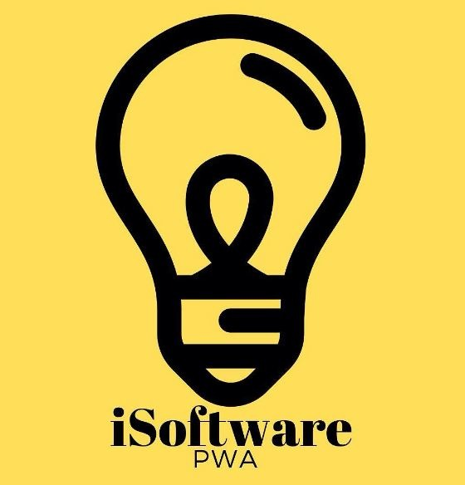
 | ITEM |  | USERNAME |  | STATUS
 | REQ004 |  | Administrator |  | Terminado

 | TIME |  | PRIORITY |  | PROG. RESP
 | 2 |  | Alta |  | Ligia Maldonado

 | WHAT | delete Products |  | PARA QUE | Remove items from inventory |  | COMO | The inventory is entered, the product to be eliminated is chosen, the product to be eliminated is clicked, the system redirtects to the index

 | NAME STORY |  | Eliminar Products to the system

 | TEST |  | The interface remove the products |  |  | COMMENTS | It is required to verify that the information, has been remove the database

